Bug report Card Product
ID | Project | Category | View status | Date Submitted | Last Update
1 | Manual software testing (checklist, bug report) | Homework 8
Reporter | Prokopenko Hennadii
Assigned to | Katasonov Kiril
Priority | Medium | Severity | Minor | Reproducibility
Status | Open | Resolution
Platform | Google Chrome | OS | Windows | OS Version | 10x64
Summary | 1 Pendant "ПОДВІСКА ДИТЯЧА КОЛЯСКА" was not added to picture of the product. Total product price was not changed. Missing error message.
Description | Pendant "ПОДВІСКА ДИТЯЧА КОЛЯСКА" was not added to picture of the product. Total product price was not changed. Missing error message. More than 4 charms or pendants cannot be added to the product. And there is no message about it.
Steps To Reproduce | 1. Open the site https://peninsula.ua/
 | 2. Click button "UA"
 | 3. Click Card Product "Браслет з шарміком «Бджілка»"
 | 4. Click Button "ДОДАТИ ШАРМИ"
 | 5. Click Button "ШАРМІК МІСЯЦ З КАМІНЧИКАМИ"
 | 6. Click Button "ШАРМІК КОНЮШИНА З КАМІНЧИКАМИ"
 | 7. Click Button "ПОДВІСКА СЕРЦЕ МІНІ"
 | 8. Click Button "ПОДВІСКА ДИТЯЧА КОЛЯСКА"
 | 9. Click Button "ПОДВІСКА ДІВЧИНКА"

 | Expected result: Pendant "ПОДВІСКА ДИТЯЧА КОЛЯСКА" added to picture of the product. Total product price is change
 | Actual result: Pendant "ПОДВІСКА ДИТЯЧА КОЛЯСКА" was not added to picture of the product. Total product price was not changed. Missing error message.
 | 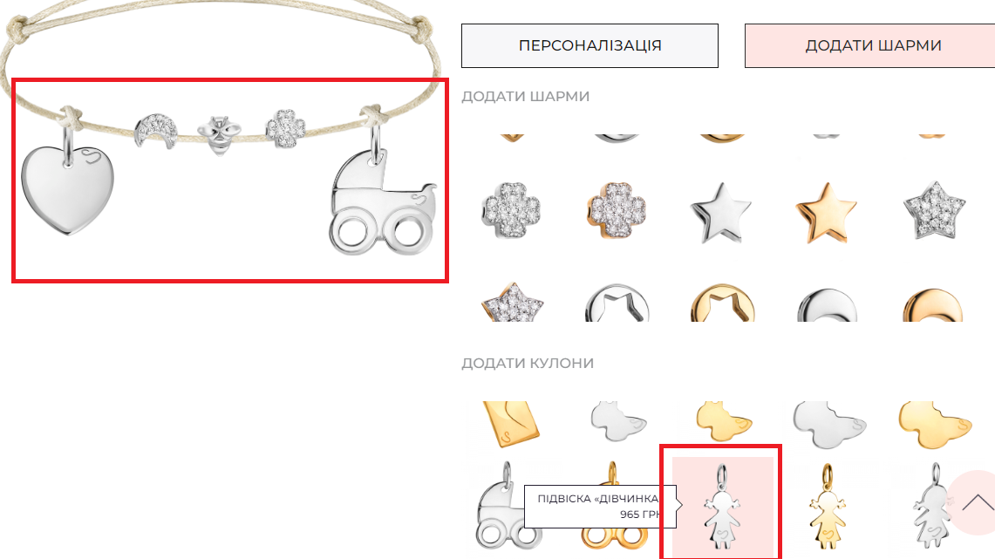
Aditional information

